Sheet1
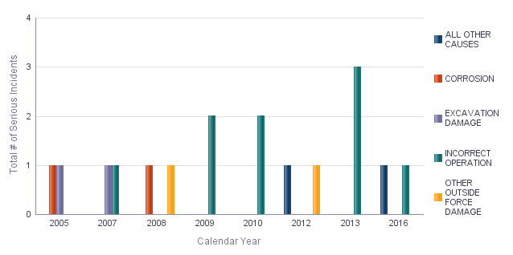
Crude Oil/Refined Petroleum/Biofuel Serious Incidents: Apparent Causes for 2005-2017
Time run: 11/10/2018 2:06:03 AM

Data Source: US DOT Pipeline and Hazardous Materials Safety Administration
Data as of 11/8/2018

The leading cause of Serious Incidents on Crude Oil/ Refined Petroleum/ Biofuel systems is Incorrect Operation. Half of all Serious Incidents on Crude Oil/ Refined Petroleum/ Biofuel systems since 2005 are caused by Incorrect Operation. Four other causes are tied for second - Corrosion, Excavation Damage, Other Outside Force Damage, and All Other Causes.

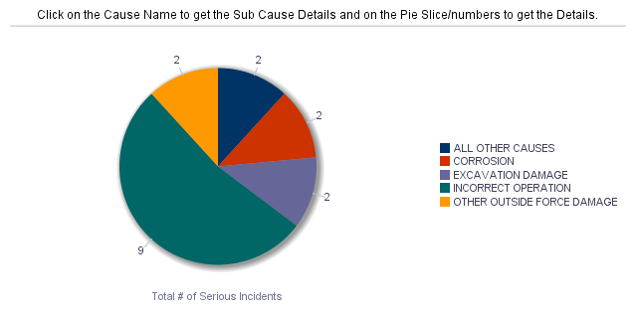 |  | Total # of Serious Incidents
 | Incident Cause (8 Types) | 2005 | 2007 | 2008 | 2009 | 2010 | 2012 | 2013 | 2016
 | ALL OTHER CAUSES |  |  |  |  |  | 1 |  | 1
 | CORROSION | 1 |  | 1
 | EXCAVATION DAMAGE | 1 | 1
 | INCORRECT OPERATION |  | 1 |  | 2 | 2 |  | 3 | 1
 | OTHER OUTSIDE FORCE DAMAGE |  |  | 1 |  |  | 1

